Pivot Chart
Dashboard of Pivot Chart

Average Solar Resource by State
 | Total
Idaho | 3.46
Maine | 3.56
Montana | 3.61
Washington | 3.48
 | Average Total Energy Cost by State
Idaho | 120.44
Maine | 260.45
Montana | 89.78
Washington | 83.86
(blank)
Grand Total | 94.58

 | Sum of Installed Capacity (AC -MW) | Sum of Installed Capacity (DC -MW)
Idaho | 26,873.73 | 36,010.80
Maine | 57,047.56 | 76,443.74
Montana | 274,214.40 | 367,447.32
Washington | 323,587.29 | 433,607.00
(blank)

Distance to Grid Vs Avg Total Cost
 | Total
0.00 | $88.64
0.09 | $75.56
0.13 | $76.01
0.18 | $80.51
0.22 | $72.73
0.25 | $73.21
0.27 | $66.75
0.31 | $103.58
0.34 | $63.12
0.36 | $88.11
0.38 | $70.17
0.43 | $114.40
0.45 | $65.04
0.47 | $107.48
0.49 | $94.53
0.51 | $76.03
0.52 | $85.78
0.56 | $77.41
0.58 | $69.79
0.61 | $91.14
0.63 | $69.91
0.65 | $120.70
0.67 | $87.24
0.69 | $72.21
0.70 | $90.75
0.74 | $54.03
0.76 | $70.19
0.78 | $109.54
0.85 | $56.55
0.87 | $61.41
0.90 | $131.96
0.92 | $104.63
0.94 | $80.20
0.96 | $66.04
1.00 | $75.58
1.03 | $106.14
1.05 | $82.69
1.07 | $60.27
1.08 | $62.62
1.10 | $60.84
1.16 | $70.03
1.18 | $72.68
1.19 | $86.18
1.20 | $56.16
1.21 | $89.71
1.23 | $112.72
1.25 | $73.22
1.28 | $71.03
1.29 | $86.54
1.30 | $94.55
...

Power BI Dashboard & Measure
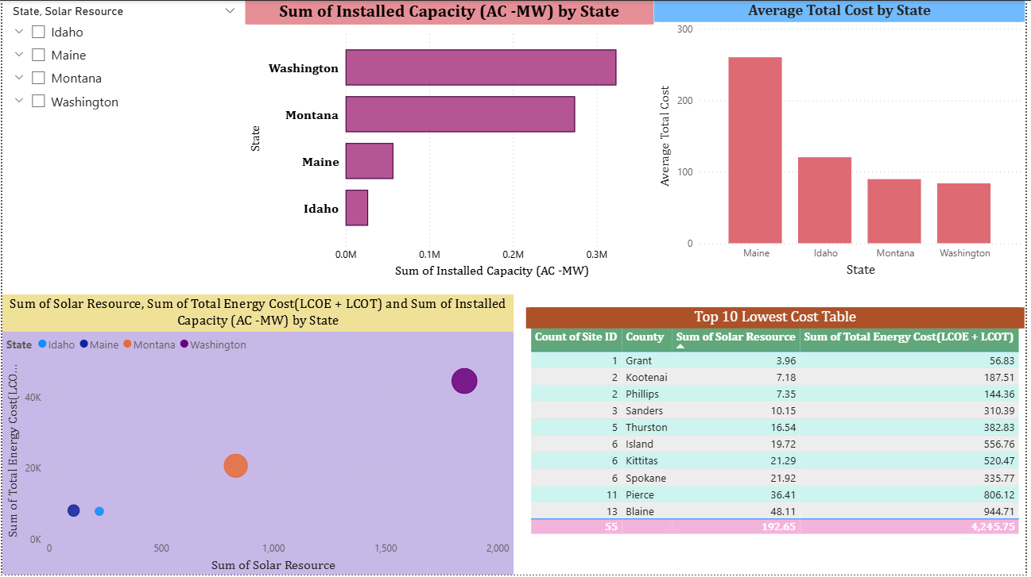
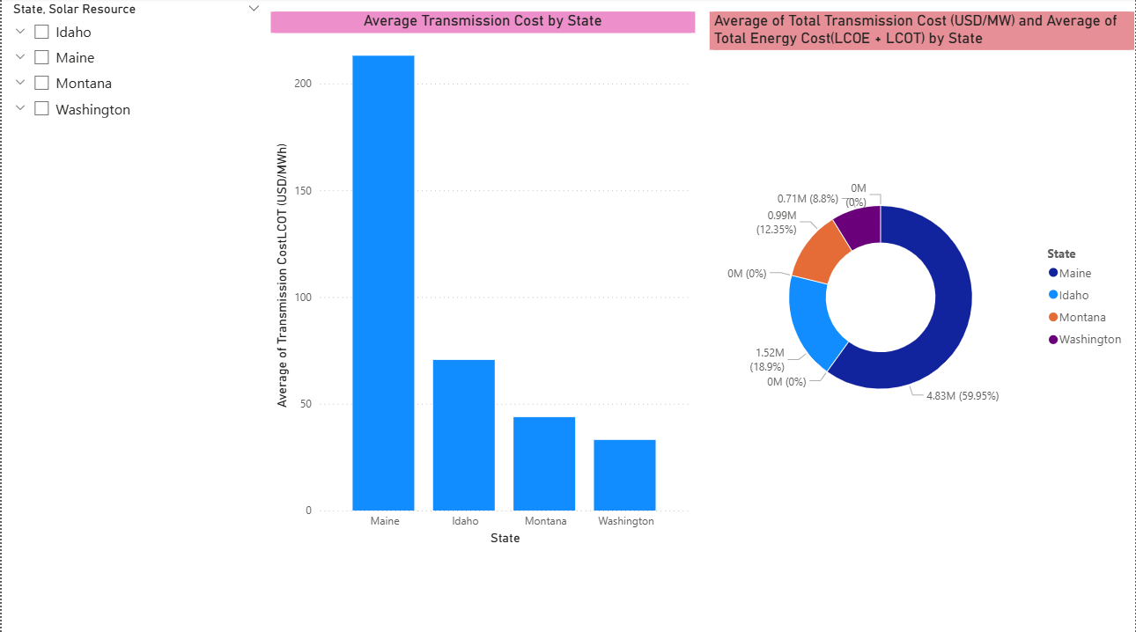
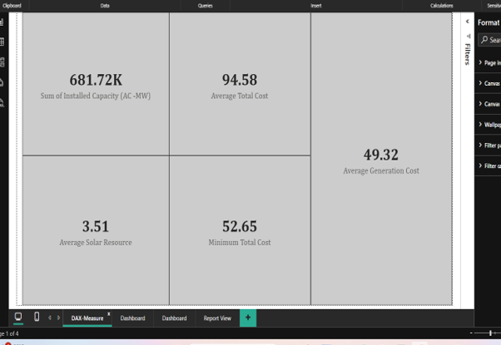
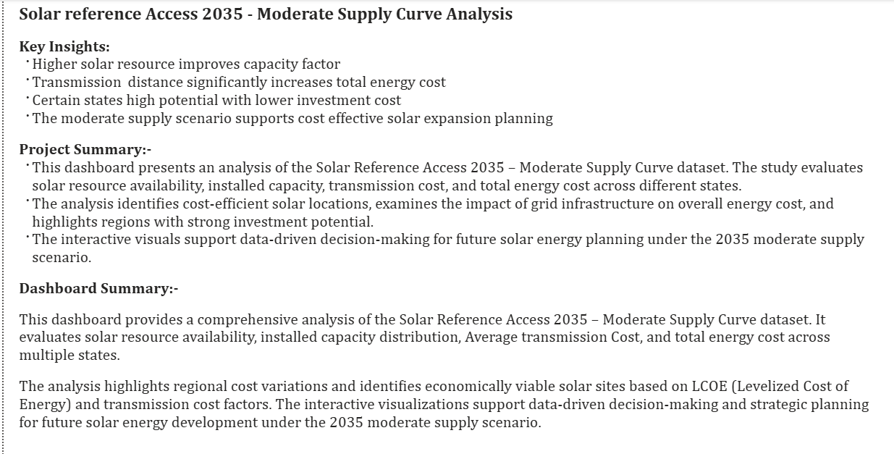
Dashboard - Power BI

